1. Title Page
Instacart Grocery Basket Analysis

Project Name: Instacart Grocery Basket Analysis
Date: 15. 12. 2023
Analyst Name: Viktorija Vilusic

Contents:
Population Flow
Consistency checks
Wrangling steps
Column derivations
Visualizations
Recommendations

Citation: "The Instacart Online Grocery Shopping Dataset 2017", Accessed from www.instacart.com/datasets/grocery-shopping-2017 via Kaggle on 15 December 2023

2. Population Flow
Population flow

Orders_products_combined
Orders_products_merged
Orders_products_all

Total: 32434489, 19
Total: 32434489, 14
Total: 32404859, 29

1.) The grey boxes in the first row of the population flow represent the original data sets as they were when you downloaded them. In the Total fields you need to add the count of the rows when you imported the data set into Jupyter.
2.) The second row of boxes (coloured) represents the data sets after you manipulated them, e.g., removed missing values and duplicates. In the Total fields you need to add the count of the rows after conducting these operations. This offers a visual oveview of how the data flows throughout the data consistency checks.
3.) The third row, where also the arrows are coloured, represents the merges you performed between the datasets. In the Total fields you need to add the count of the rows in the merged datasets, so that you end up with the final dataset (in the red box). Keep in mind the final dataset should be without exclusions (based on the exclusion flag).

3. Consistency checks
 |  |  |  | Title page
Consistency checks

Dataset | Missing values | Missing values treatment | Duplicates
orders | No missing values found | None | No duplicates found
products | 16 in product_name column | Created a clean subset by dropping rows | 5 rows
orders_products_prior | 32268 | Imputed mean | No duplicates found
customers | 11259 in first_name column | Dropped the whole first_name column due to PII | No duplicates found

4. Wrangling steps
 |  |  |  | Title page
Wrangling steps

Columns dropped | Columns renamed | Columns' type changed | Comment/Reason
eval_step from orders csv |  |  | Unnecessary for our analysis
 | order dow to orders_day_of_week |  | For better comprehension
 |  | order_id to string | To exclude it from describe function
 |  | user_id to string | To exclude it from describe function
 | order_hour_of_day to hour_of_day |  | For better comprehension
Unnamed: 0.1 |  |  | Unnecessary for our analysis (additional index column)
Unnamed: 0 |  |  | Unnecessary for our analysis (additional index column)
Surnam |  |  | Dropped due to PII
First Name |  |  | Dropped due to PII
 | n_dependants to #_of_dependants |  | For better comprehension
date_joined |  |  | Unnecessary for our analysis

5. Column derivations
Column derivations and aggregations

Dataset | New column | Column/s it was derived from | Conditions
ords_prods_merge | price_range_loc | prices | ords_prods_merge.loc[ords_prods_merge['prices'] > 15, 'price_range_loc'] = 'High-range product' ords_prods_merge.loc[(ords_prods_merge['prices'] <= 15) & (ords_prods_merge['prices'] > 5), 'price_range_loc'] = 'Mid-range product' ords_prods_merge.loc[ords_prods_merge['prices'] <= 5, 'price_range_loc'] = 'Low-range product'
ords_prods_merge | busiest_day | orders_day_of_week | for value in ords_prods_merge["orders_day_of_week"]: if value == 0: result.append("Busiest day") elif value == 4: result.append("Least busy") else: result.append("Regularly busy")
ords_prods_merge | busiest_days | orders_day_of_week | for value in ords_prods_merge["orders_day_of_week"]: if value == 0: result.append("Busiest day") elif value == 1: result.append("Busiest day") elif value == 4: result.append("Least busy") elif value == 3: result.append("Least busy") else: result.append("Regularly busy")
ords_prods_merge | busiest_period_of_day | hour_of_day | for value in ords_prods_merge["hour_of_day"]: if value == 9: result2.append("Most orders") elif value == 10: result2.append("Most orders") elif value == 11: result2.append("Most orders") elif value == 12: result2.append("Most orders") elif value == 13: result2.append("Most orders") elif value == 14: result2.append("Most orders") elif value == 15: result2.append("Most orders") elif value == 16: result2.append("Most orders") elif value == 6: result2.append("Average orders") elif value == 7: result2.append("Average orders") elif value == 8: result2.append("Average orders") elif value == 17: result2.append("Average orders") elif value == 18: result2.append("Average orders") elif value == 19: result2.append("Average orders") elif value == 20: result2.append("Average orders") elif value == 21: result2.append("Average orders") elif value == 22: result2.append("Average orders") elif value == 23: result2.append("Average orders") elif value == 0: result2.append("Average orders") else: result2.append("Fewest orders")
ords_prods_merge | max_order | user_id and order_number | ords_prods_merge['max_order'] = ords_prods_merge.groupby(['user_id'])['order_number'].transform(np.max)
ords_prods_merge | loyalty_flag | max_order | ords_prods_merge.loc[ords_prods_merge['max_order'] > 40, 'loyalty_flag'] = 'Loyal customer' ords_prods_merge.loc[(ords_prods_merge['max_order'] <= 40) & (ords_prods_merge['max_order'] > 10), 'loyalty_flag'] = 'Regular customer' ords_prods_merge.loc[ords_prods_merge['max_order'] <= 10, 'loyalty_flag'] = 'New customer'
ords_prods_merge | avg_price | user_id and prices | ords_prods_merge['avg_price'] = ords_prods_merge.groupby(['user_id'])['prices'].transform(np.average) ords_prods_merge.loc[ords_prods_merge['avg_price'] < 10, 'spending_habit'] = 'Low spender' ords_prods_merge.loc[ords_prods_merge['avg_price'] >= 10, 'spending_habit'] = 'High spender'
ords_prods_merge | med_days | user_id and days_since_prior_order | ords_prods_merge['med_days'] = ords_prods_merge.groupby(['user_id'])['days_since_prior_order'].transform(np.median) ords_prods_merge.loc[ords_prods_merge['med_days'] > 20, 'order_frequency'] = 'Non-frequent customer' ords_prods_merge.loc[(ords_prods_merge['med_days'] > 10) & (ords_prods_merge['med_days'] <= 20), 'order_frequency'] = 'Regular customer' ords_prods_merge.loc[ords_prods_merge['med_days'] <= 10, 'order_frequency'] = 'Frequent customer'
orders_products_all | Region | STATE | result = [] for value in df["STATE"]: if value == 'Maine': result.append("Northeast") elif value == 'New Hampshire': result.append("Northeast") elif value == 'Vermont': result.append("Northeast") elif value == 'Massachusetts': result.append("Northeast") elif value == 'Rhode Island': result.append("Northeast") elif value == 'Connecticut': result.append("Northeast") elif value == 'New York': result.append("Northeast") elif value == 'Pennsylvania': result.append("Northeast") elif value == 'New Jersey': result.append("Northeast") elif value == 'Wisconsin': result.append("Midwest") elif value == 'Michigan': result.append("Midwest") elif value == 'Illinois': result.append("Midwest") elif value == 'Indiana': result.append("Midwest") elif value == 'Ohio': result.append("Midwest") elif value == 'North Dakota': result.append("Midwest") elif value == 'South Dakota': result.append("Midwest") elif value == 'Nebraska': result.append("Midwest") elif value == 'Kansas': result.append("Midwest") elif value == 'Iowa': result.append("Midwest") elif value == 'Missouri': result.append("Midwest") elif value == 'Delaware': result.append("South") elif value == 'Maryland': result.append("South") elif value == 'District of Columbia': result.append("South") elif value == 'Virginia': result.append("South") elif value == 'West Virginia': result.append("South") elif value == 'North Carolina': result.append("South") elif value == 'South Carolina': result.append("South") elif value == 'Georgia': result.append("South") elif value == 'Florida': result.append("South") elif value == 'Kentucky': result.append("South") elif value == 'Tennessee': result.append("South") elif value == 'Mississippi': result.append("South") elif value == 'Alabama':
orders_products_all | Age_profile | Age | customer_profile_age = [] for value in df_new["Age"]: if value in [18, 19, 20, 21, 22, 23, 24, 25, 26, 27, 28, 29, 30]: customer_profile_age.append("Young adult") elif value in [31, 32, 33, 34, 35, 36, 37, 38, 39, 40, 41, 42, 43, 44, 45, 46, 47, 48, 49, 50, 51, 52, 53, 54, 55, 56, 57, 58, 59, 60]: customer_profile_age.append("Middle-aged") else: customer_profile_age.append("Senior") df_new['Age_profile'] = customer_profile_age
orders_products_all | Income_profile | Income | customer_profile_income = [] for value in df_new["income"]: if ((value> 0) and (value< 50000)) : customer_profile_income.append("Low income") elif ((value> 50000) and (value< 150000)): customer_profile_income.append("Average income") else: customer_profile_income.append("High income") df_new['Income_profile'] = customer_profile_income
orders_products_all | Parent_profile | department_id | customer_profile_parent = [] for value in df_new["department_id"]: if value == 18 : customer_profile_parent.append("Yes") else: customer_profile_parent.append("No") df_new['Parent_profile'] = customer_profile_parent
orders_products_all | Dependants_profile | #_of_dependants | customer_profile_dep = [] for value in df_new["income"]: if ((value> 0) and (value< 50000)) : customer_profile_dep.append("Single") elif ((value> 50000) and (value< 150000)): customer_profile_dep.append("Small family") else: customer_profile_dep.append("Big family") df_new['Dependants_profile'] = customer_profile_dep
orders_products_all | price_range_loc | rev_price_rng | df_new['rev_price_rng'] = df_new.groupby('price_range_loc')['prices'].transform('sum')

6. Visualizations
Visualisations

Orders by days of week
Orders by days of week, color-coded

0 = Saturday
1= Sunday
2= Monday
3= Tuesday
4= Wednesday
5= Thursday
6= Friday
Bar chart "Orders by days of week" clearely demonstrates that most of Instacart's orders come in during the weekend, while days from Monday to Friday tend to be somewhat slower.

Orders by hour of the day
Frequency of prices
Majority of orders are placed between 10 a.m. and 4 p.m.
The slowest time of the day is night, where least amount of orders come in.
Most prices Instacart offers are under $15, with very few being more expensive than that.


Expenditure by days of the week
Expenditure by hour of the day

Most revenue is generated on Fridays and Saturdays, as orders placed on these days tend to be significantly more expensive than those placed on other days.
0 = Saturday
1= Sunday
2= Monday
3= Tuesday
4= Wednesday
5= Thursday
6= Friday
Although least amount of orders are placed at night, this line chart shows us that these orders are also the most expensive ones placed.

Products by price
Products by revenue

Majority of Instacart's offered products fall under mid-range priced products, meaning products between $5 and $15.
This bar graph clearely shows that most of Instacart's revenue comes from mid-ranged products as well.

Customer profile by age
Customer profile by income

Vast majority of Instacart's customers earn an average income.
Most common customers are middle aged, while surprisingly few young adults use the app.

Customer profile - Parents
Customer profile - # of dependants

Minority of customers fall under parent profile, based on purchaches from children's department.
Based on number of dependants, we can see that small families are most common, while big families and single households are not as common amongst Instacart's users.

Customer loyalty
Relationship between customer age and income

Customers tend to be quite loyal to Instacart, as we see a fair amount of loyal customers and least of new customers, meaning that customers tend to come back after they have ordered at least once.
The most spending power lies with customers over the age of 40. The scatterplot illustrates how income tends to increase significantly after that age.

Relationship between customer age and number of dependants
Relationship between customer age and prices of orders

The line chart shows there is indeed no relationship between age and family status of customers.
Again no relationship detected between age and prices of orders, although we do see great dips at 25-year-olds and 50-year-olds - they seem the be the most frugal customers.
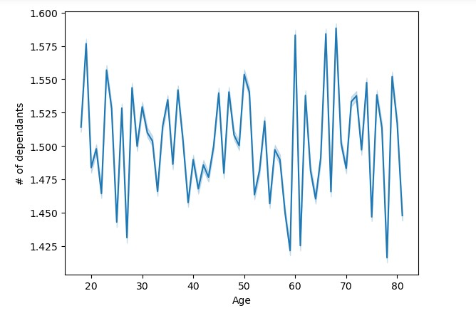

Product order frequency by department
Department sales by number of dependants
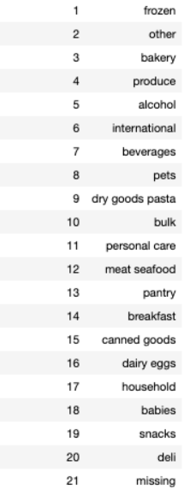 | 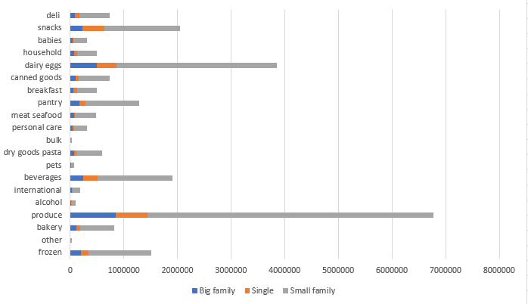
By far the most popular department in Instacart's selection is "produce", followed by "dairy and eggs", "snacks" and "beverages". Worst performing departments are "other", "bulk" and "pets".
This bar chart demonstrates certain patterns in small families; they buy exeptionally often from departments "dairy and eggs", "produce", "snacks" and "frozen" compared to big families and single households.

Department sales by age
These bar charts illustrate an even distribution in department sales in different age groups and different household sizes.
Department sales by income

Age groups by regions
Income by regions
These bar charts show an fairily even distribution of age groups and income across all regions.

Number of dependants by regions
Although it does seem that southern region in the bar graph has a higher number of big families, we can see in the table above that the distribution of numbers of dependants across regions is almost identical.

7. Recommendations
 |  |  | Title page

Recommendations

Number of orders by hour of the day
Prices of orders by hour of the day
Key Question | Reccomendation | Visualization
What are the busiest days of the week and hours of the day are (in order to schedule ads at times when there are fewer orders)? | Busiest days of the week are Saturday and Sunday, and busiest hours of the day are between 10 a.m. and 4 p.m. I strongly reccomend running ads during weekdays and in the evening hours to boost sales.
Are there particular times of the day when people spend the most money? | Most expensive orders are being placed at night, between 1 a.m. and 7 a.m. - it is to be noted that although those are the priciest ones, there are also fewest orders at this hour, so running ads at this time is not advisable. Consider targeting late-night customers in the evening.
Total revenue by product prices
Instacart has a lot of products with different price tags. Marketing and sales want to use simpler price range groupings to help direct their efforts. | Instacart offers mostly mid-range product, which also account for the majority of total revenue. If new products are to be added, they should be mid-range priced, as they are the most popular amongst Instacart's customers.
Frequency of orders by departments
Are there certain types of products that are more popular than others? | By far the most popular department in Instacart's selection is "produce", followed by "dairy and eggs", "snacks" and "beverages". Worst performing departments are "other", "bulk" and "pets". Consider adding new items to top performing departments to offer a larger variety of produce and boost customer satisfaction.
Frequency of orders by prices
Instacart has a lot of products with different price tags. The marketing and sales teams are particularly interested in the different types of customers in their system and how their ordering behaviors differ. | Instacart's customers tend to buy cheaper to mid-range priced products, meaning between $2 and $15. Products priced higher than $15 are bought only occasionaly, so our customers are inclined to buy more affordable products.
What’s the distribution among users in regards to their brand loyalty (i.e., how often do they return to Instacart)? | Majority of Instacart's customers are regular customers, followed by loyal customers and new customers in the last place. Although we can clearely see that customers mostly do order multiple times, iniciatives such as discounts or special offers are reccomended to boost customer engagement and loyalty.
What differences are there in ordering habits of different customer profiles? | As customers over 40 years of age have the highest spending power, it is advisable to target them with additional ads. Small families buy exeptionally often from departments "dairy and eggs", "produce", "snacks" and "frozen" compared to big families and single households - promoting these products to small families might drive their engangement even further.

